Table 1
Proposal for a new marine protected area around Saint Martin’s Island: A major step towards achieving 10% marine protection in Bangladesh
March 2018

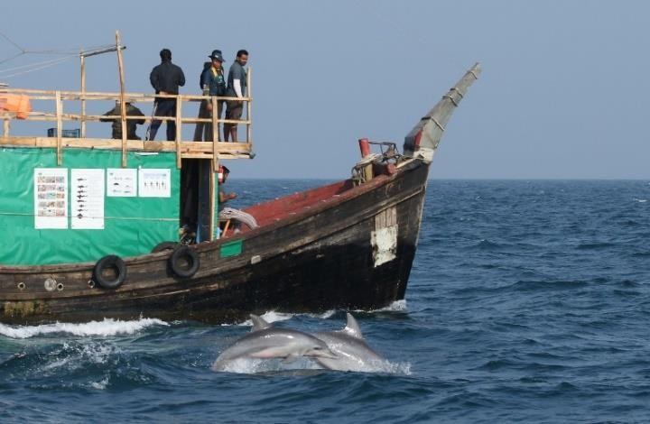
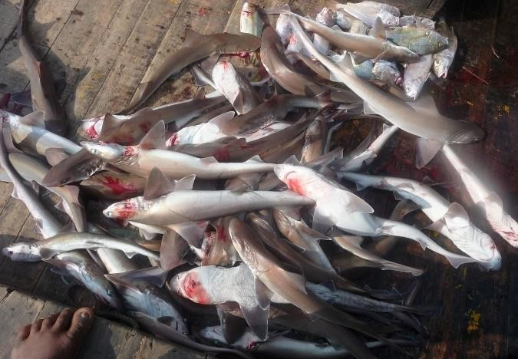
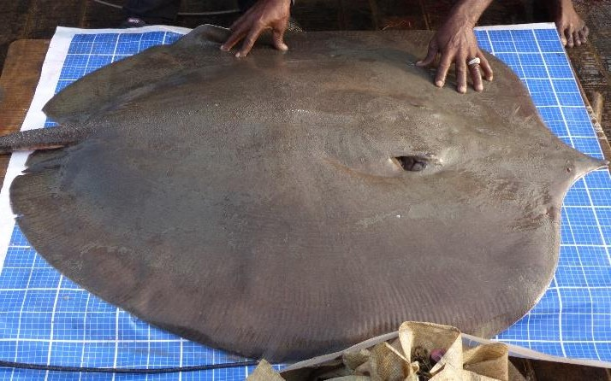
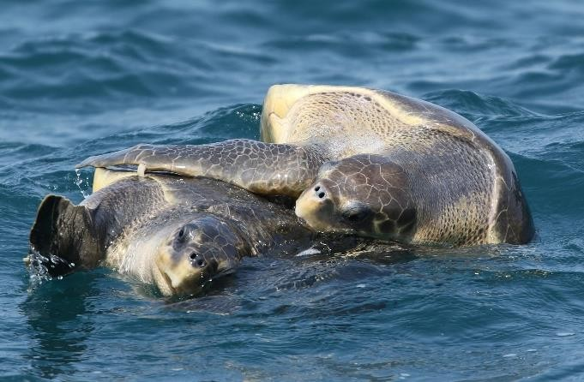

Executive Summary Protecting priority marine habitat in Bangladesh within an effectively managed network of marine protected areas (MPAs) can provide a safety net for marine biodiversity at global risk of extinction and sustain fisheries vital to food security, local livelihoods and the national economy. This proposal for a new MPA in the waters around Saint Martin’s Island reports on the results of surveys conducted by the Wildlife Conservation Society (WCS) Bangladesh Program. These surveys revealed that the waters around St. Martin’s Island are a biodiversity “hotspot” supporting a large variety of iconic marine megafauna including globally threatened cetaceans, sharks, rays and marine turtles. The proposal makes recommendations for establishing a new protected area in the waters around Saint Martin’s Island based on rigorous science and community input. An additional proposal is being submitted to the Government of Bangladesh to establish a new MPA in the waters around Nijhum Dwip. Establishing these MPAs would be a major step towards achieving Bangladesh’s national goal and international obligation to protect 10% of its marine waters.
Caption: Map showing the boundaries of the existing MPA in the Swatch-of-No-Ground (white) with two potential new MPAs (black) in the waters around Saint Martin’s Island and Nijhum Dwip . Together all three MPAs would cover 8.3% of Bangladesh’s EEZ. The proposed new MPA for the waters surrounding St. Martin’s island covers 1,743 km2 or 1.5% of Bangladesh’s EEZ. It protects at least 17 species of globally threatened or near threatened marine megafauna or seabirds confirmed as occurring in the area and as many as 28 additional threatened species that are suspected to occur in the waters around Saint Martin’s Island but have not yet been recorded. Threatened species (i.e., IUCN Red Listed as Critically Endangered - CR, Endangered – EN, or Vulnerable – VU) confirmed as occurring in the proposed St. Martin’s Island MPA include the Indo-Pacific humpback dolphins, whale sharks, ocellated eagle ray, sharpnosed whipray,
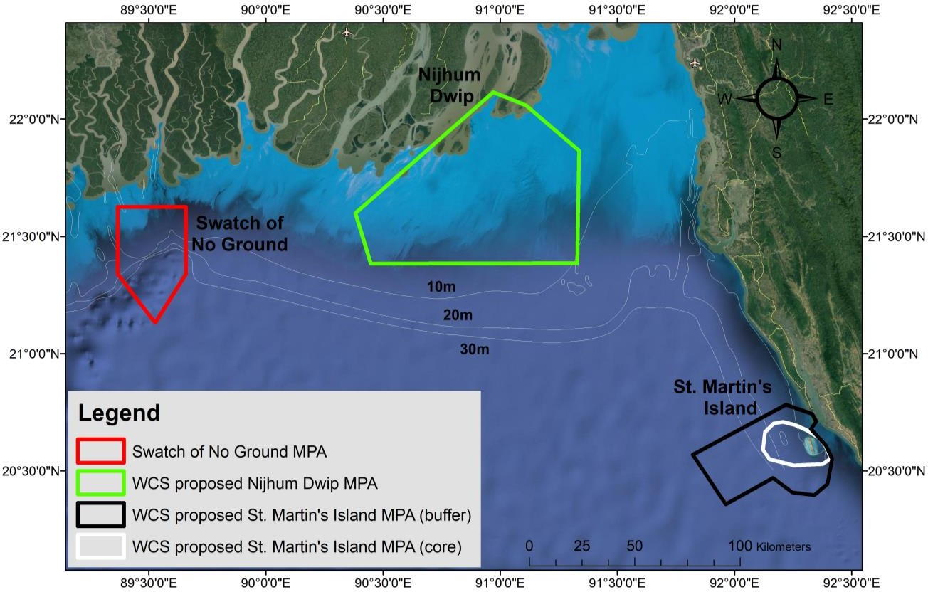
Bleeker’s whipray, bigeye tuna, giant sea bass, olive ridley turtles, green turtles, loggerhead turtles and black bellied terns. Five other confirmed species and eight suspected species as occurring in Nijhum Dwip are listed as Data Deficient (DD) but may well be classified as threatened after more information becomes known about their status.
Caption. Map of the proposed St. Martin’s MPA which if declared would cover 1.5% of Bangladesh’s EEZ and protect a large variety of threatened marine megafauna as well as the country’s only coral reef The proposed new MPA in St. Martin’s Island, together with the existing MPA in the Swatch-of-No- Ground submarine canyon and open estuarine waters offshore the Sundarbans, cover a total of 3,481 km of marine habitat which is 3.0% of the country’s EEZ. If effectively managed these MPAs could provide protection for almost the complete range of marine biodiversity in Bangladesh. They could also provide a foundation for sustaining and enhancing marine fisheries, thereby supporting a sustainable blue economy.
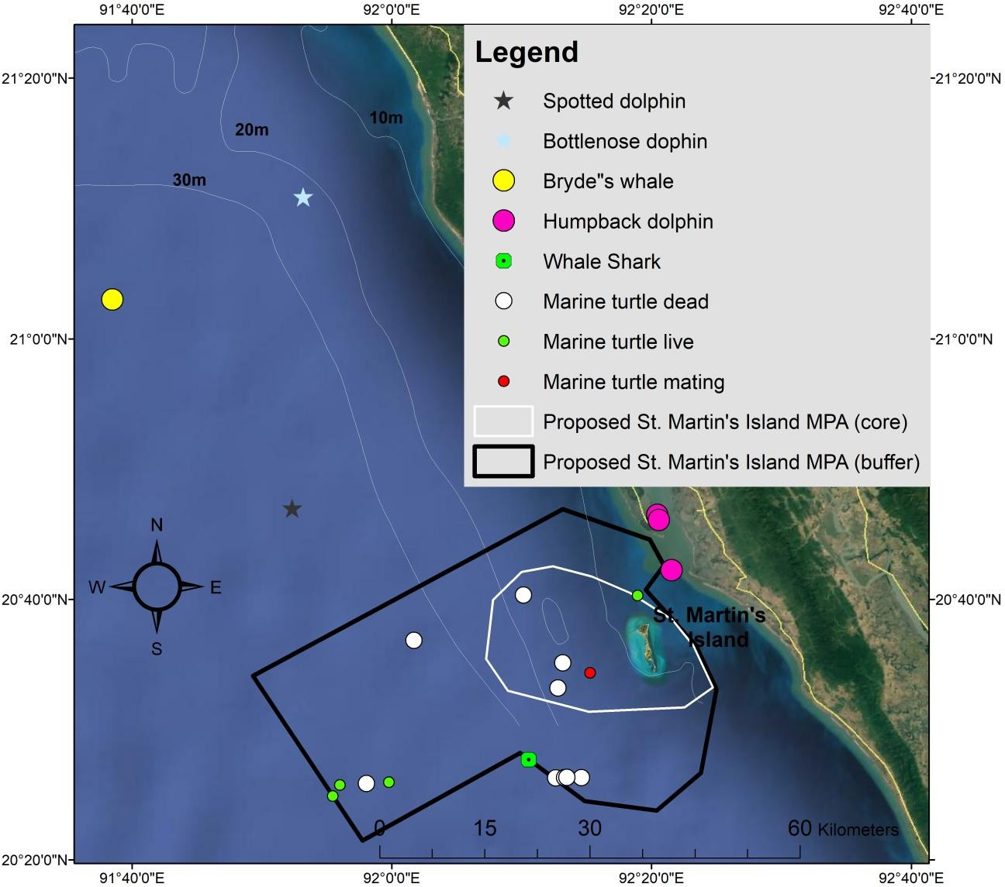

Table of Contents
BACKGROUND ON MARINE PROTECTED AREAS IN BANGLADESH | 1
BACKGROUND ON SAINT MARTIN’S ISLAND | 2
SURVEY PROCEDURES FOR IDENTIFYING SITES FOR POTENTIAL NEW MPAS | 3
SURVEY RESULTS FOR WATERS AROUND SAINT MARTIN’S ISLAND | 4
Searching effort for marine megafauna and fisheries | 4
Environmental parameters | 5
Cetaceans | 5
Marine turtles | 6
Sharks and rays | 7
Sea snakes | 9
Seabirds | 10
Sightings of fishing vessels and gears | 12
Examination of fishing gears and catches | 13
Interviews with fishermen | 15
RECOMMENDATION FOR A NEW MARINE PROTECTED AREA AROUND SAINT MARTIN’S ISLAND | 18
General Description | 18
MPA location and boundaries | 20
REFERENCES | 21
List of Figures
Figure 1. WCS survey team searching for dolphins, porpoises, whales, marine turtles, seabirds and fishing vessels/gears with binoculars along the trackline during a survey conducted in December 2017 - January 2018 in the coastal waters of Bangladesh. | 3
Figure 2. WCS staff interviewing a fishermen (top left) and examining shark catches (top right) on the second survey vessel, medium mesh gillnetters pulling up their net (bottom left), and long line with many hooks being pulled up while catching juvenile sharks (bottom right). | 4
Figure 3. Map of systematic track lines searched during 30 December 2017 to 6 January 2018 and 12 January to 15 January 2018 in the coastal waters around Saint Martin’s Island with color codes indicating Beaufort sea state (0-1 = excellent, 2 = good, 3 = fair and 4 = poor) and the locations of pantropical spotted dolphins (Stenella attenuata) and bottlenose dolphins (Tursiops sp.) made during a similar survey conducted in March 2004. Note the whale shark sighting in the far south. | 5
Figure 4. Indo-Pacific humpback dolphins leaping in the waters around Saint Martin’s Island (notice the calf in the background and the injured fin (probably from fisheries interactions) on the dolphin half submerged in the foreground of the left picture). | 6
Figure 5. The streamlined body and erect dorsal fin (left) and auxillary ridges to the median ridge on the head foreword of the blowhole are diagnostic featured used to identify the probable cow calf pair observed north of Saint Martin’s Island as Bryde’s whales. | 6
Figure 6. Live swimming and dead olive ridley turtles offshore of Saint Martin’s Island. | 7
Figure 7. Map of the sighting locations of live and dead turtles and the systematic track lines searched during the December 2017 to January 2018 survey of coastal waters around Saint Martin’s Island. | 7
Figure 8. VU Whitespotted whipray (top), DD scaly whipray (left bottom) and NT long-tailed butterfly ray were all found caught in gill nets and set bag nets around Saint Martin’s Island. | 8
Figure 9. Photograph of a whale shark seen swimming underwater near the Saint Martin’s Island (left) and a whale shark caught in a gill net targeting hilsa shad in the coastal waters of Bangladesh (right). | 9
Figure 10. Annulated sea snake (left) and yellow-bellied sea snake (right) swimming in deep waters offshore | 9
Figure 11. Map of sightings of sea snakes in deep waters (>50 m) offshore of Saint Martin’s Island and systematic track lines searched during the December 2017 to January 2018 survey of coastal waters around Saint Martin’s Island. | 10
Figure 12. Map of seabird sightings made during a marine megafauna survey and track lines searched during the December 2017 - January 2018 survey of coastal waters around Saint Martin’s Island. | 11
Figure 13. Black headed gulls (left) and whiskered terns (right) are two common seabird species in the waters around St. Martin’s Island. | 12
Figure 14. Map of fishing boats and gears observed and systematic track lines searched during the December 2017 to January 2018 survey of coastal waters around Saint Martin’s Island. | 13
Figure 15. Map of fishing vessels according to type where fish catches were examined during a marine megafauna survey in the waters around Saint Martin’s Island. | 14
Figure 16. EN hammerhead sharks and NT tiger sharks were reported caught in the waters around Saint Martin’s Island. | 18
Figure 17. Map of the new proposed St. Martin’s MPA which if declared would cover 2.0% of Bangladesh’s EEZ and protect a large variety of threatened marine megafauna as well as the country’s only coral reef. The map shows sightings and catch records of marine megafauna from surveys in 2004 (spotted and bottlenose dolphin) and 2017/18. | 19
Figure 18 Map of the Saint Martin’s MPA showing the proposed boundaries (black outline) of the buffer area and numbered locations of the corner points that correspond to the numbers in Table 10 below. | 20
Figure 19 Map of the Saint Martin’s MPA showing the proposed boundaries (white outline) of the core area and numbered locations of the corner points that correspond to the numbers in Table 11 below. | 22

Table 2
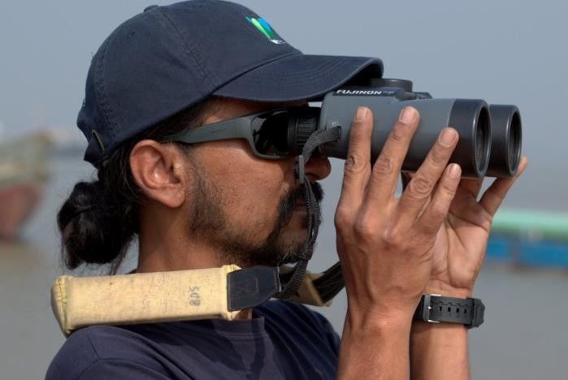
List of Tables
Table 1. Sighting conditions along the trackline according to Beaufort sea state and the distance and time spent searching along the trackline. | 4
Table 2. Rays caught in gill nets and set bag nets from 16 catches examined in the waters around Saint Martin’s Island. | 8
Table 3. List of the seabirds observed during the Saint Martin’s Island survey including their Red List status, number of sightings and number of individuals. | 11
Table 4. Fishing vessels and gears recorded during the December 2017 and January 2018 survey around Saint Martin’s Island with information on the number of sightings, number of gears and percent active, travelling, inactive or unknown. | 12
Table 5. Fishing gears sampled while surveying in the waters around Saint Martin’s Island from December 2017 to January 2018 with information on the soak time and length, width and mesh size of net. | 13
Table 6. List of finfish and one crustacean sampled by the survey team from gill nets and set bag nets in the area around Saint Martin’s Island with information on their common, scientific and local names, gear type and IUCN Red List status. | 15
Table 7. List of ray species reported caught by fishermen in the area around Saint Martin’s Island using large mesh gill nets (LGN), medium mesh gill nets (MGN), small mesh gill nets (SGN) and long lines with many hooks (LLR). | 16
Table 8. List of fish species reported caught by fishermen during interviews in the area around Saint Martin’s Island using large mesh gill nets (LGN), medium mesh gill nets (MGN) and small mesh gill nets (SGN). | 17
Table 9. Summary information on the proposed Saint Martin’s Island MPA | 19
Table 10. Location and boundaries of the proposed Saint Martin’s Island MPA buffer area according to corner points and their number reference in the MPA map (Figure 18) and latitude and longitude | 21
Table 11. Location and boundaries of the proposed Saint Martin’s Island MPA core area according to corner points and their number reference in the MPA map (Figure 19) and latitude and longitude. | 22
Appendix 1. List of threatened (CR, EN, VU) or NT marine megafauna confirmed (top) and suspected (bottom) to occur in the waters around Saint Martin’s Island. 24
List of acronyms and abbreviations
AGN Anchored gill net BFD Bangladesh Forest Department BDT Bangladeshi Taka BSS Beaufort sea-state BOBLME Bay of Bengal Large Marine Ecosystem CR Critically endangered DD Data deficient DGN Drifting gill net EN Endangered FGN Fixed gill net GBM Ganges-Brahmaputra-Meghna GPS Global Positioning System GoB Government of Bangladesh LC Least concern MPA Marine Protected Area NP National Park NT Near threatened NTU Nephelometric turbidity units NL Not listed PPT Parts per thousand SoNG Swatch-of-No-Ground SST Sea surface temperature SBN Set bag net VU Vulnerable WCS Wildlife Conservation Society
BACKGROUND ON MARINE PROTECTED AREAS IN BANGLADESH Protecting priority marine habitat in Bangladesh within an effectively managed network of marine protected areas (MPAs) can provide a safety net for marine biodiversity at global risk of extinction. Additonally, MPAs in Bangladesh have the potential to support sustainable fisheries vital to the food security and livelihoods of 50 million people living along the country’s 750 kilometer long coast due to spillover effects improving fisheries in areas outside of the MPAs. This is a vital consideration given declining fish catches and the difficulties of implementing other management approaches in the diverse small-scale marine fisheries that characterize Bangladesh. In October 2014, the Government of Bangladesh declared its first and currently only MPA, safeguarding 1,738 km2 of shallow estuarine waters offshore of the Sundarbans mangrove forest and at the head of the Swatch-of-No-Ground (SoNG) submarine canyon. Although this MPA only covers about 1.5% of Bangladesh’s EEZ and effective conservation measures have yet to be established, its declaration demonstrates the government’s commitment towards protecting biodiversity in its coastal marine waters. The Bangladesh Wildlife Preservation Act 1974 gives the Government of Bangladesh (GoB) the power to establish national parks, wildlife sanctuaries and game reserves. This Act was updated by the Wildlife (Preservation and Security) Act, 20121 which in Section 13 reaffirmed the power of the GoB to protect biodiversity in a marine protected area: “Declaration of sanctuary. (1) The Government may, by notification in the official Gazette, in the light of national forest policy and forest master plan, and considering natural, geomorphological features, biodiversity and environmental significance, declare any Government forests or part of su

1 http://www.bforest.gov.bd/site/page/491c4ca3-919d-472c-94f5-46b1dffcfb6e/RN hTT -( © T-ও-िN TℓQT)- আইN-২০১২) 2http://fisheries.portal.gov.bd/sites/default/files/files/fisheries.portal.gov.bd/law/8ad73a74_6a15_438c_9988_2d92d2 aa2f1b/The%20MARINE%20Fisheries%20Ordinance,1983.PDF

(b) to allow for the natural regeneration of aquatic life in areas where such life has been depleted; or (c) to promote scientific study and research in respect of such areas; or (d) to preserve and enhance the natural beauty of such areas.”
The establishment of an effectively functioning network of MPAs offers an ideal opportunity to sustain vital fisheries and protect marine biodiversity at global risk of extinction. The potential for MPAs to positively contribute to fisheries enhancement and threatened species protection can be enhanced through rigorous science, community input and collaboration among GoB agencies involved with marine resource management.
BACKGROUND ON SAINT MARTIN’S ISLAND Saint Martin’s Island, locally known as Narikel Jinjira (Coconut Island), is located in the far southern waters of Bangladesh about 9.7 kilometers from the mainland at Teknaf. The island is relatively small, covering about eight square kilometers depending on tidal state with about 14 kilometer of beach length of which about two kilometers are suitable for nesting turtles (Islam 2002). There are a series of tiny islets called Cheradia Dwip separated from the far southern portion of the main island during high tide. Freshwater from the Meghna River mouth and more locally from the Naf River influence marine habitat by decreasing salinity and increasing turbidity and deposition of sediments. This most southerly point of land in the country supports high levels of marine biodiversity, including corals. Although coral cover and diversity is relatively low, 66 coral species representing 22 genera have been recorded around the island extending about 200 meters offshore (Tomascik 1997). A total of 234 fish species have been recorded from the Saint Martin’s Island of which almost 100 are coral associated. (Hossain et. al 2006). Additionally, 186 species of mollusks, 12 species of crab and nine species of echinoderms have also been recorded from the St. Martin's Island (Hasan 2009, Islam 2006).
The island is used as a nesting ground by three marine turtle species, including olive ridley (Lepidochelys olivacea), green (Chelonia mydas) and hawksbill (Eretmochelys imbricata) turtles. However, nesting populations using the Saint Martin’s Island have declined in recent years due to egg collection and deaths from interactions with fisheries. Almost 30 adult and sub-adult turtles of both sexes were found dead on the beaches during 1996-98 with more than half of the deaths believed to be caused by fishing activities, while 54 dead adult and sub-adult turtles were found washed ashore on the island during the 2000-2001 (Islam 2002a, b). The island is reported to have a human population of almost 7,000 inhabitants of whom the majority are fishermen (Bangladesh Bureau of Statistics 2014). There are more than 100 mechanized boats from Cox’s Bazar that are involved with shark finning trade in the St. Martin’s Island’s area (BOBLME 2015). Despite a large part of the economy of the island being based on fishing, with an estimated 1,650 metric tons of fish annually caught from the waters adjacent to this island (Haider 2008), there is no management or monitoring of small scale fisheries operating in these waters where fishing pressure has increased dramatically in recent years (BOBLME 2015). Overexploitation of coastal resources (e.g., reef fisheries, corals, shells) and destructive fishing practices including the use of rock-weighted gill nets over boulder reefs are major threats to the ecosystem of Saint Martin’s Island (Hossain et. al 2006).
SURVEY PROCEDURES FOR IDENTIFYING SITES FOR POTENTIAL NEW MPAS Between 21 December 2017 and 31 January 2018, the Wildlife Conservation Society (WCS) Bangladesh Program conducted a survey along the entire coast of Bangladesh to identify potential new sites for MPAs. A strong emphasis was on the role of marine marine megafauna, including dolphins, porpoises, whales, sharks, rays and marine turtles, as umbrella species for marine spatial planning and on investigating fishing practices and catches. Although the entire coast of Bangladesh was covered during the survey, a priority geographic focus was to investigate the waters around Saint Martin’s Island and Nijhum Dwip due the biodiversity and ecological importance of waters surrounding these sites and interest for potentially declaring a new MPAs in these areas (BoBLME 2015 a,b, EcoFish 2018). Three observers stood watch while searching for cetaceans, marine turtles, and fishing vessels/gears from the main survey vessel. Two observers searched on the port and starboard sides, respectively, with 7X50 binoculars, while the third observer stood in the center searching by naked eye. The center observer also served as the data recorder (Figure 1). A second vessel was used to collect information on fishing practices and catches through interviews of fishermen onboard vessels we encountered at sea and with their permission documenting their catch. The second vessel often approached boats in the morning before they had set their gear so that we could obtain information on gear soak times and rendezvous when it was time to pull up their gear (Figure 2).
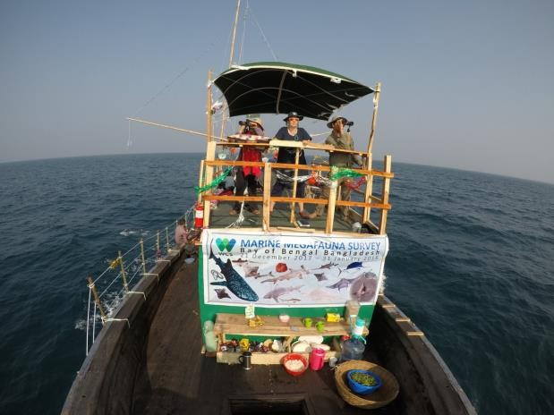
Figure 1. WCS survey team searching for dolphins, porpoises, whales, marine turtles, seabirds and fishing vessels/gears with binoculars along the trackline during a survey conducted in December 2017 - January 2018 in the coastal waters of Bangladesh.

Table 3
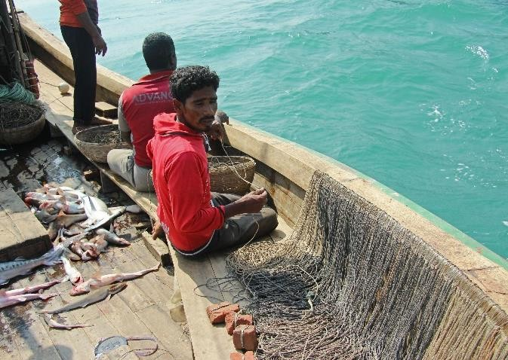
Figure 2. WCS staff interviewing a fishermen (top left) and examining shark catches (top right) on the second survey vessel, medium mesh gillnetters pulling up their net (bottom left), and long line with many hooks being pulled up while catching juvenile sharks (bottom right). SURVEY RESULTS FOR WATERS AROUND SAINT MARTIN’S ISLAND Searching effort for marine megafauna and fisheries Observers from the main vessel searched along 563 km of trackline in the waters around Saint Martin’s Island with an average speed of 10.8 km/hr. Of the total distance searched by the survey team, almost three quarters were covered in excellent or good conditions while slightly more than one quarter of the distance was surveyed in medium or poor conditions (Table 1).
Table 1. Sighting conditions along the trackline according to Beaufort sea state and the distance and time spent searching along the trackline.

 | 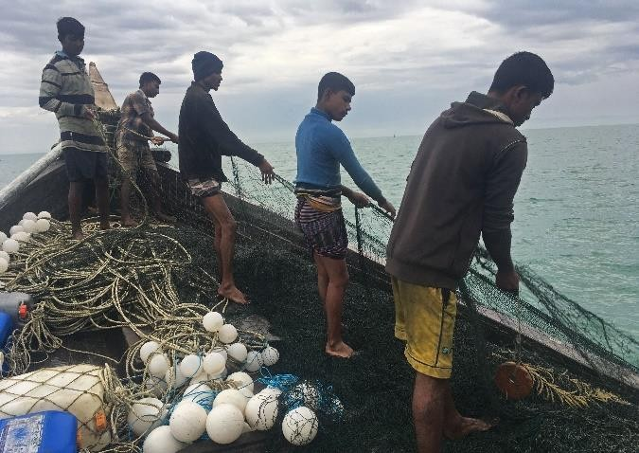
 |  |  |  |  | 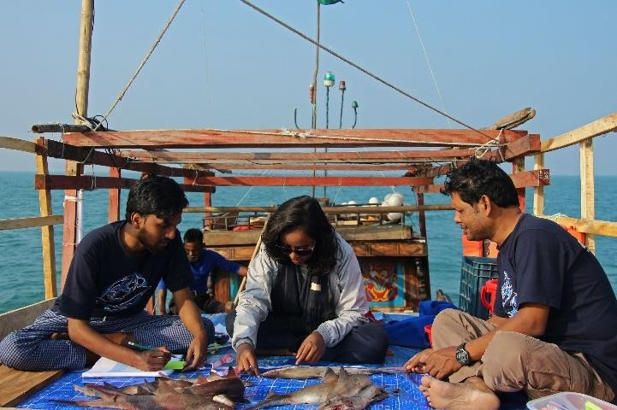
 | 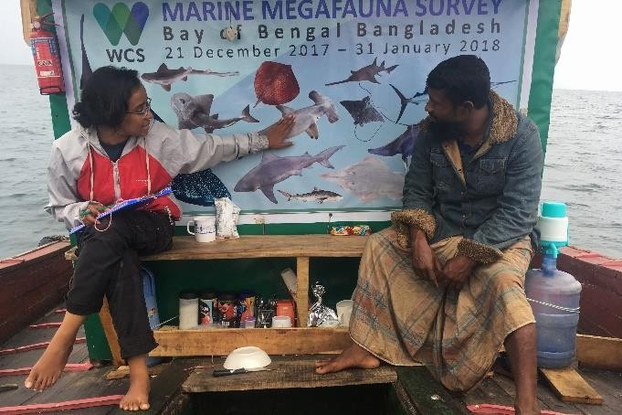
Sighting Conditions | Beaufort sea state | Distance |  | Time
 |  | km | % | hours | %
Excellent | 0-1 | 120.6 | 21.4 | 11.4 | 21.9
Good | 2 | 284.4 | 50.5 | 25.9 | 49.9
Fair | 3 | 100.3 | 17.8 | 9.1 | 17.5
Poor | 4 | 57.5 | 10.2 | 5.5 | 10.7
Environmental parameters Environmental parameters recorded every 5 minutes along the transect line (N=677 - due to technical issues we were unable to collect data on environmental parameters during the first three days of the survey) indicated a large variation in depth (mean = 25.8 meters, SD = 18.1, range = 1.7- 74.7), temperature (mean = 24.2○ C, range = 20.5 – 27.3), salinity (mean = 27.6 parts per thousand (ppt), SD = 3.2, range = 0.8 – 31.5) and turbidity (mean = 13.2 nephelometric turbidity units (NTUs), SD = 15.2, range = 0.5 – 180.0). Cetaceans While surveying around Saint Martin’s Island (Figure 3) observers made three sightings of Vulnerable (VU) Indo-Pacific humpback dolphins (Sousa chinensis )for a total of 39 individuals and one sighting of two Data Deficient (DD) Bryde’s whales (Balaenoptera edeni), probably a mother and calf. 3
Figure 3. Map of systematic track lines searched during 30 December 2017 to 6 January 2018 and 12 January to 15 January 2018 in the coastal waters around Saint Martin’s Island with color codes indicating Beaufort sea state (0-1 = excellent, 2 = good, 3 = fair and 4 = poor) and the locations of pantropical spotted dolphins (Stenella attenuata) and bottlenose dolphins (Tursiops sp.) made during a similar survey conducted in March 2004. Note the whale shark sighting in the far south.
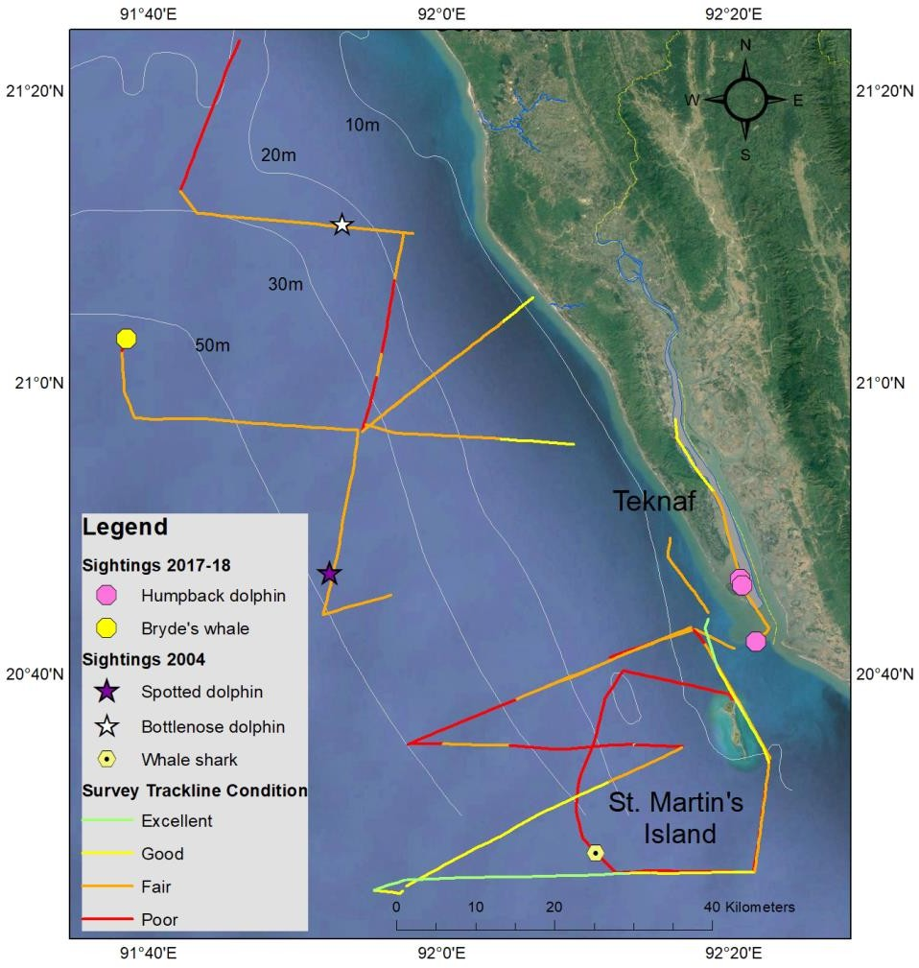
3 All classifications of conservation status are from IUCN Red List of Species (http://www.iucnredlist.org/)

The three sightings of humpback dolphin groups (Figure 4) were in the mouth of the Naf River. Photographs of the dorsal fins of humpback dolphins from these sightings are being compared to see if some of the same individuals were present in multiple sightings.
Figure 4. Indo-Pacific humpback dolphins leaping in the waters around Saint Martin’s Island (notice the calf in the background and the injured fin (probably from fisheries interactions) on the dolphin half submerged in the foreground of the left picture).
The sighting of a pair of Bryde’s whales (Figure 5) in the northern part of the Saint Martin’s Island survey area was particularly significant because this was the first confirmed record of a baleen whale in Bangladesh occurring outside of the Swatch-of-No-Ground submarine canyon which is included in the country’s first MPA.
Figure 5. The streamlined body and erect dorsal fin (left) and auxillary ridges to the median ridge on the head foreword of the blowhole are diagnostic featured used to identify the probable cow calf pair observed north of Saint Martin’s Island as Bryde’s whales. Marine turtles During the survey around Saint Martin’s Island the team sighted 14 groups of 16 turtles. Thirteen were positively identified as olive ridley turtles and three were unidentified. Disturbingly, 62.5% were dead almost certainly from fishing gear entanglements. One mating pair of olive ridley turtles was also observed (Figures 6 and 7).
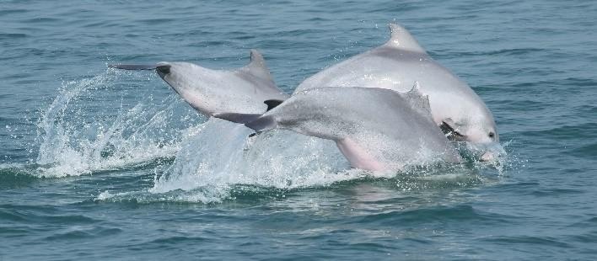
Figure 6. Live swimming and dead olive ridley turtles offshore of Saint Martin’s Island.

 |  |  |  |  | 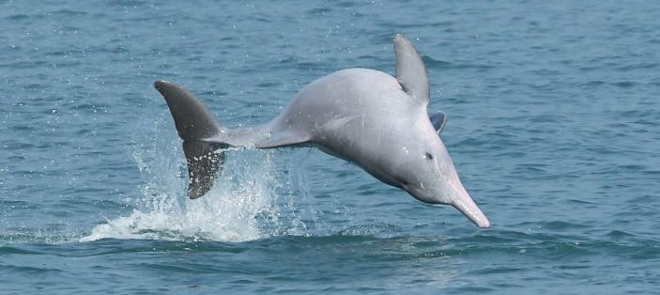
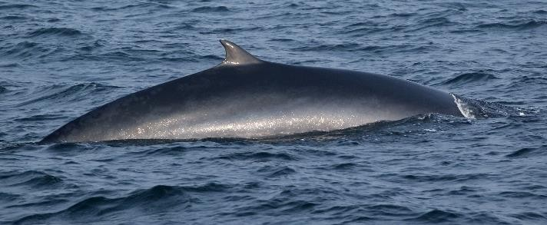
 |  |  |  |  | 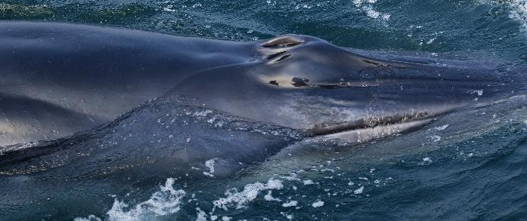
 | 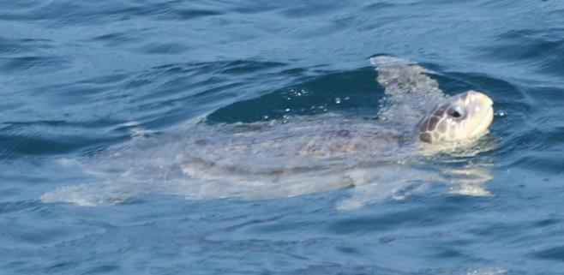
 |  |  |  |  | 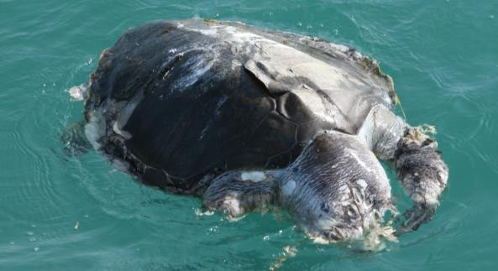

Table 4
Figure 7. Map of the sighting locations of live and dead turtles and the systematic track lines searched during the December 2017 to January 2018 survey of coastal waters around Saint Martin’s Island. Sharks and rays Seven ray species were documented in eight catches of gill nets and set bag net in the waters around Saint Martin’s Island. Of particular conservation concerns were catches of white spotted whiprays and long-tailed butterfly rays due to their Vulnerable (VU) and Near Threatened (NT) status, respectively. It is important to remember that the Data Deficient (DD) scaly whipray may well also turn out to be threatened (VU, EN or CR) or NT as more information becomes available on its status. Six species were recorded caught in gill nets and two in set bag nets including one unidentified butterfly ray that was caught in both gear types (Table 2, Figure 8). Table 2. Rays caught in gill nets and set bag nets from 16 catches examined in the waters around Saint Martin’s Island.
 | 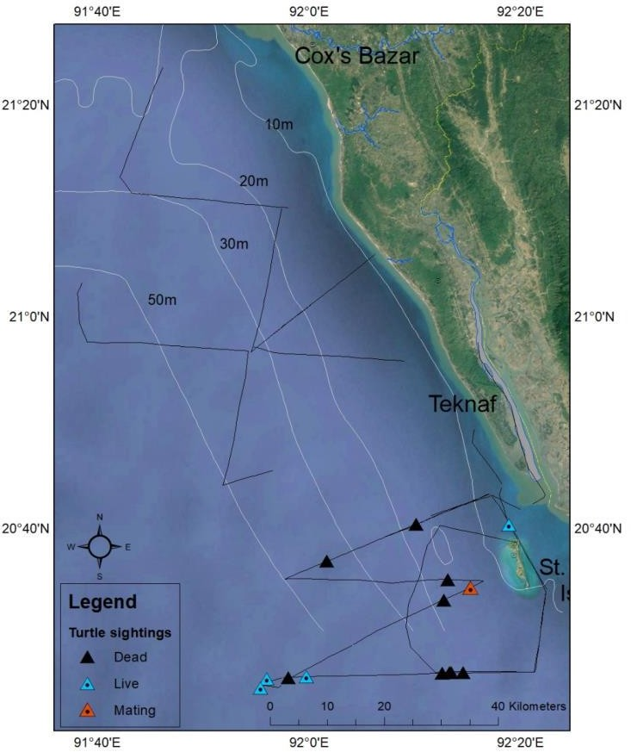
Common Name | Scientific Name | Local Name | Gear Type | IUCN Red List status
Whitespotted whipray | Maculabatis gerrardi | Shapla pata | Gillnet | VU
Long-tailed butterfly ray | Gymnura poecilura | Badur mach | Gillnet | NT
Scaly whipray | Brevitrygon imbricata | Shapla pata | Gillnet | DD
Brown numbfish | Narcine timlei | Badami Biddut | Gillnet | DD
Butterfly ray | Gymnura sp. | Podoni | Gillnet & set bag net | N/A
Whipray | Himantura sp. | Paissha | Set bag net | N/A
Figure 8. VU Whitespotted whipray (top), DD scaly whipray (left bottom) and NT long-tailed butterfly ray were all found caught in gill nets and set bag nets around Saint Martin’s Island. During the December 2017 and January 2018 survey around Saint Martin’s Island, the WCS survey team made a sighting of a whale shark (Rhincodon typus) about 28 kilometers south-west of the island (Figure 9). Whale sharks have been documented by WCS as caught in medium mesh net used for catching hilsa shad in the coastal waters of Bangladesh. Two of fishermen we interviewed on Saint Martin’s Island reported catching tiger sharks and selling the meat for 600 BDT/kg and dried fin sets for 2000 BDT/kg. They mentioned that sharks are not consumed on Saint Martin’s Island but sent to Teknaf and Bandarban. However, we observed shark meat sold in restaurants on Saint Martin’s island.
 | 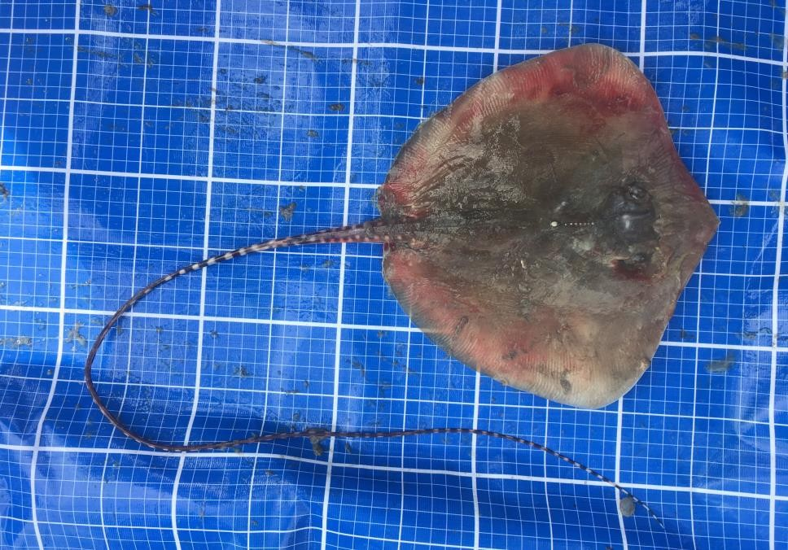
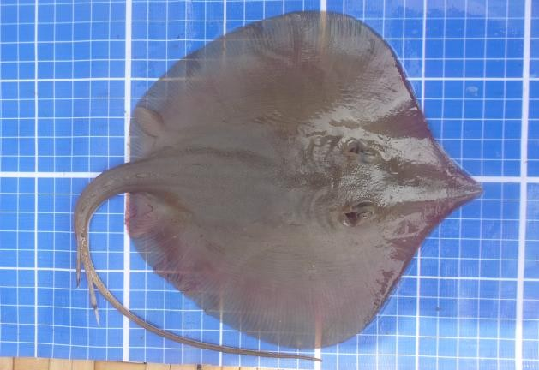
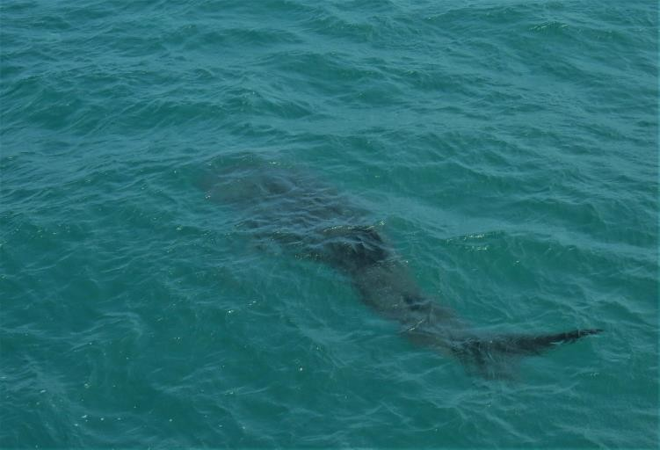 |  | 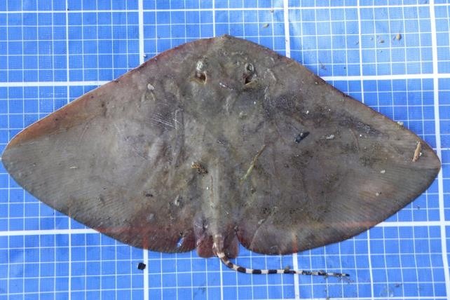 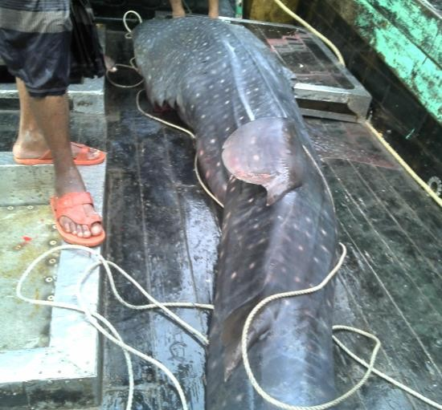
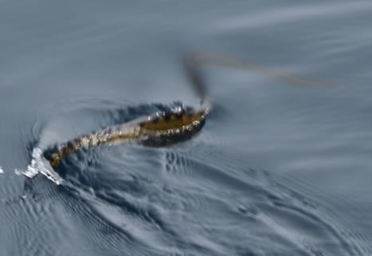
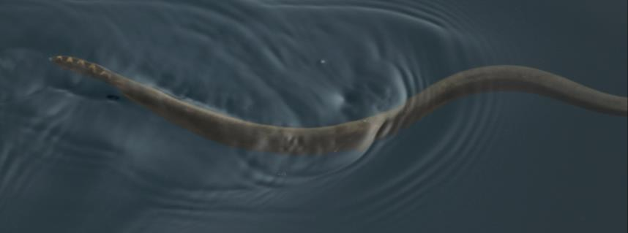
Figure 9. Photograph of a whale shark seen swimming underwater near the Saint Martin’s Island (left) and a whale shark caught in a gill net targeting hilsa shad in the coastal waters of Bangladesh (right). Sea snakes In less than one hour of survey effort when sighting conditions were excellent (BSS 0 – the water appeared like glass), we sighted and identified four species of sea snakes including Jerdon's sea snake (Kerilia jerdonii), Yellow-bellied sea snake (Hydrophis platurus), Spine-bellied sea snake (Hydrophis curtus) and Annulated sea snake (Hydrophis cyanocinctus) (Figures 10 & 11). Although all four species are considered Least Concern (LC) in the IUCN Red List, the high encounter rate of these snake during a relatively short time when sighting conditions were excellent indicates that the deep waters around Saint Martin’s Island are particular good habitat for this taxa group. Other sea snakes that we might expect to find around Saint Martin’s Island based on their reported range include Gunther’s sea snake (Hydrophis cantoris), Arabian Gulf sea snake (Hydrophis lapemoides), collared sea snake (Hydrophis stricticollis) and Daudin’s sea snake (Hydrophis nigrocinctus) all considered DD.
Figure 10. Annulated sea snake (left) and yellow-bellied sea snake (right) swimming in deep waters offshore Saint Martin’s Island.
Figure 11. Map of sightings of sea snakes in deep waters (>50 m) offshore of Saint Martin’s Island and systematic track lines searched during the December 2017 to January 2018 survey of coastal waters around Saint Martin’s Island. Seabirds A total of 120 sightings were made of 639 seabirds from 9 species (Table 3, Figures 12 & 13). None were considered threatened and only one (Eurasian curlew Numenius arquata) considered NT in the IUCN Red List. However, it should be noted that several globally threatened seabirds are known to occur in the waters around Saint Martin’s Island that were not seen during this survey. These include the CR spoon-billed sandpiper (Calidris pygmaea); EN Normann’s greenshank (Tringa guttifer), black-bellied tern (Sterna acuticauda) and great knot (Calidris tenuirostris); and NT black- headed ibis (Threskiornis melanocephalus), Eurasian curlew (Numenius arquata), black-tailed godwit (Limosa limosa), bar-tailed godwit (Limosa japonica) and river tern (Sterna aurantia).
 | 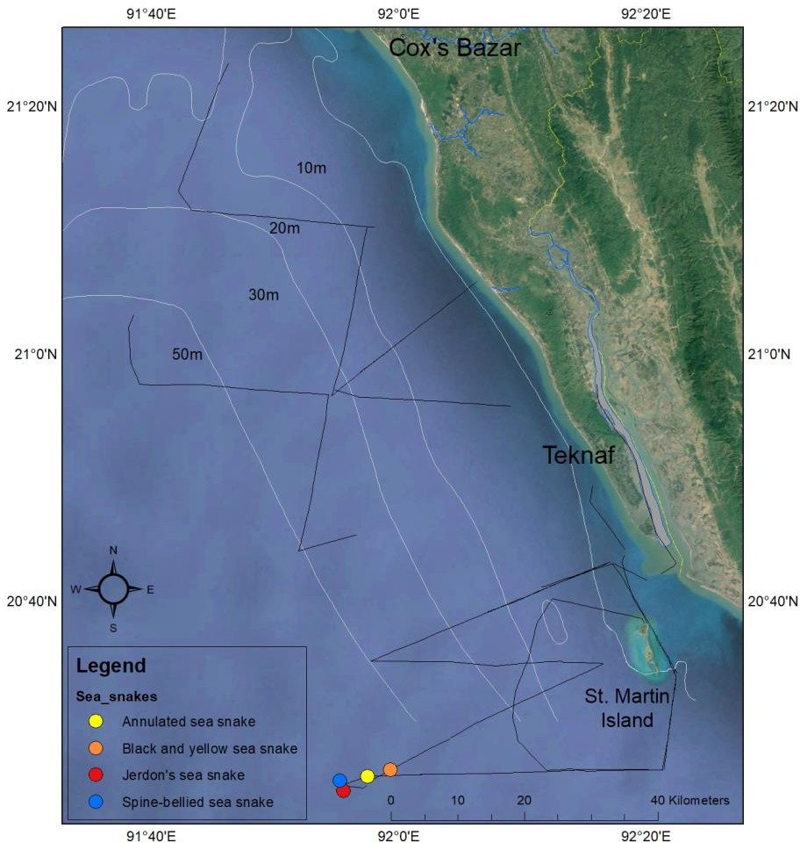

Table 5
Table 3. List of the seabirds observed during the Saint Martin’s Island survey including their Red List status, number of sightings and number of individuals.
Common Name | Scientific name | IUCN Red List status | Number of sightings | Number of individuals
Brown Headed Gull | Larus brunnicephalus | LC | 41 | 382
Greater Crested Tern | Thalasseus bergii | LC | 24 | 34
Whiskered Tern | Chlidonias hybrida | LC | 18 | 54
Little Tern | Sternula albifrons | LC | 14 | 135
Pallas's Gull | Ichthyaetus ichthyaetus | LC | 9 | 13
Tern sp. | Laridae sp. | N/A | 4 | 9
Eurasian Curlew | Numenius arquata | NT | 2 | 2
Gull sp. | Laridae sp. | N/A | 2 | 2
Little Cormorant | Microcarbo niger | LC | 2 | 2
Swift | Apodidae sp. | N/A | 2 | 3
Common sandpiper | Actitis hypoleucos | LC | 1 | 2
White-rumped Needletail | Zoonavena sylvatica | LC | 1 | 1
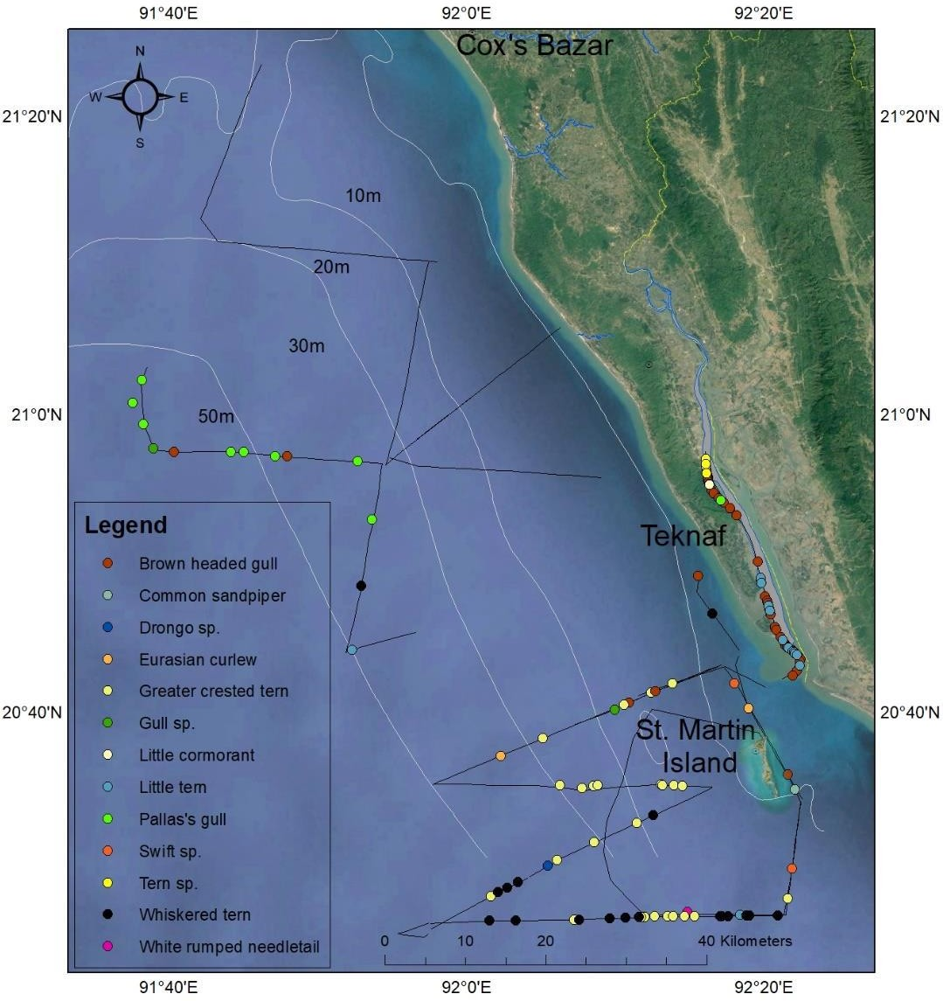
Figure 12. Map of seabird sightings made during a marine megafauna survey and track lines searched during the December 2017 - January 2018 survey of coastal waters around Saint Martin’s Island.

Table 6
Figure 13. Brown headed gull (left) and whiskered tern (right) are two common seabird species in the waters around St. Martin’s Island. Sightings of fishing vessels and gears During the December 2017 and January 2018 survey around Saint Martin’s Island the WCS team documented 153 sightings of 373 fishing gears with 60.1% active, 26.1% traveling, 11.1% inactive (anchored or drifting) and 2.6% unknown (Table 4, Figure 14). Although set bag nets were only observed in eight locations, they were the most commonly observed gear with an average of almost nine nets in each location. With the exception of “unknown,” small mesh gill nets were the second most common gear with an average of slightly more than two gears in each location. Table 4. Fishing vessels and gears recorded during the December 2017 and January 2018 survey around Saint Martin’s Island with information on the number of sightings, number of gears and percent active, travelling, inactive or unknown.
 |  |  |  | 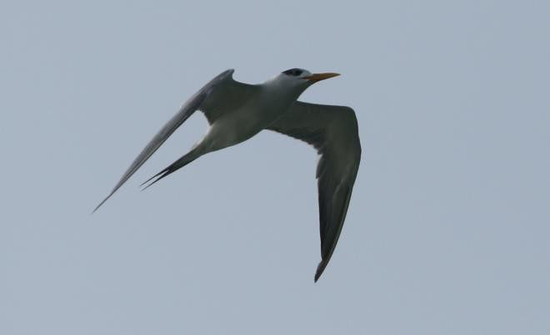
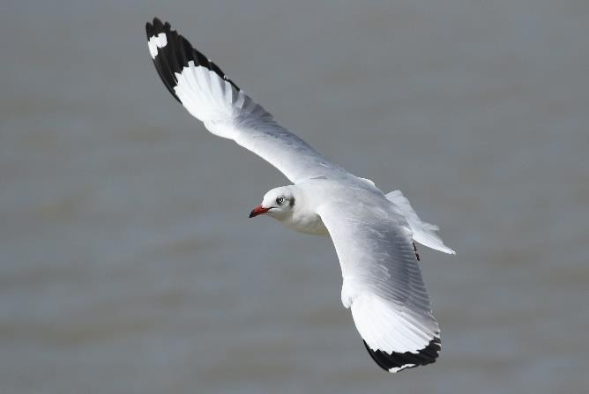
Gear Type | Number of Sightings | Number of Gears | % Active | % Travelling | % Inactive | % Unknown
Set bag net | 8 | 87 | 45.9 | 45.9 | 8.1 | 0.0
Unknown | 24 | 61 | 74.3 | 20.0 | 2.9 | 2.9
Small mesh gill net | 35 | 55 | 70.8 | 8.3 | 8.3 | 12.5
Long liner | 6 | 47 | 29.2 | 37.5 | 33.3 | 0.0
Large mesh gill net | 37 | 46 | 84.6 | 15.4 | 0.0 | 0.0
Set bag net | 24 | 44 | 87.5 | 12.5 | 0.0 | 0.0
Medium mesh gill net | 6 | 20 | 100.0 | 0.0 | 0.0 | 0.0
Stern trawler | 13 | 13 | 16.7 | 33.3 | 50.0 | 0.0

Table 7
Figure 14. Map of fishing boats and gears observed and systematic track lines searched during the December 2017 to January 2018 survey of coastal waters around Saint Martin’s Island. Examination of fishing gears and catches We recorded information on the catches of 15 different fishing gears operating near Saint Martin’s Island including six medium mesh gill nets, five large mesh gill nets, three small mesh gill nets and one set bag net (Table 5, Figure 15). A total of 37 species were recorded in the catches of these gears including seven rays, 29 finfishes, and one crustacean (Table 6). Three of these species were caught in both gill nets and set bag nets; three species only in set bag nets; and 31 species only in gill nets. In addition to conservation concern about catches of whitespotted whiprays and long-tailed butterfly rays, considered VU and NT, respectively (see shark and ray section above), catches of bigeye tuna (Thunnus obesus) and giant seabass (Epinephelus lanceolatus) are also of potential concern due to their VU status. Table 5. Fishing gears sampled while surveying in the waters around Saint Martin’s Island from December 2017 to January 2018 with information on the soak time and length, width and mesh size of net.
 | 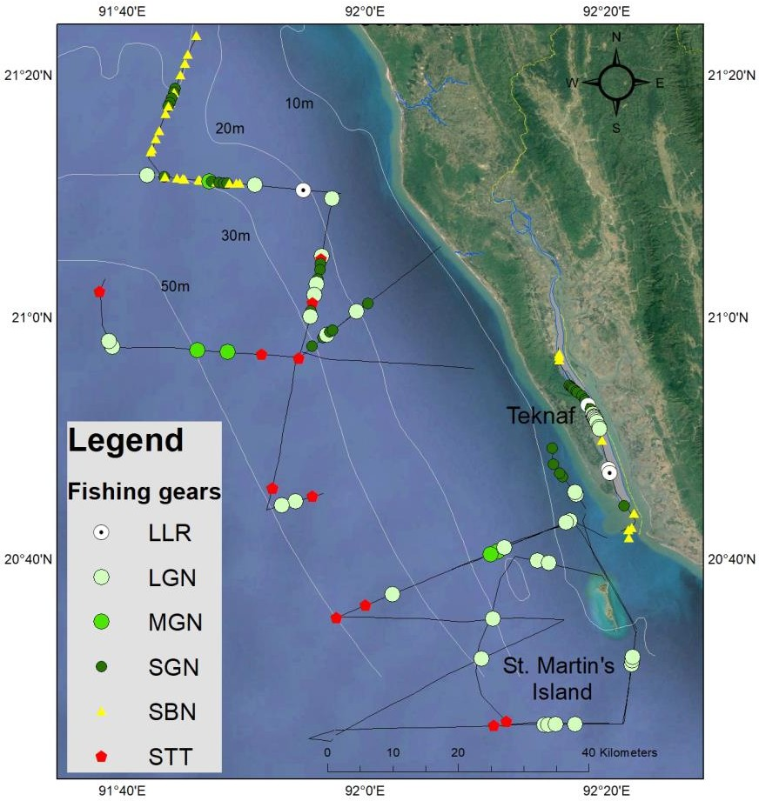
Gear Type (English) | Soak time (hours) | Length (meters) | Width (meters) | Mesh size (cm)
Large mesh gill net | 5.5 | 271.3 | 8.5 | 9.8
Medium mesh gill net | 6.5 | 113.9 | 5.8 | 6.3
Small mesh gill net | 2.0 | 32.9 | 6.1 | 5.0
Set bag net | 4.0 | Unknown | Unknown | Unknown
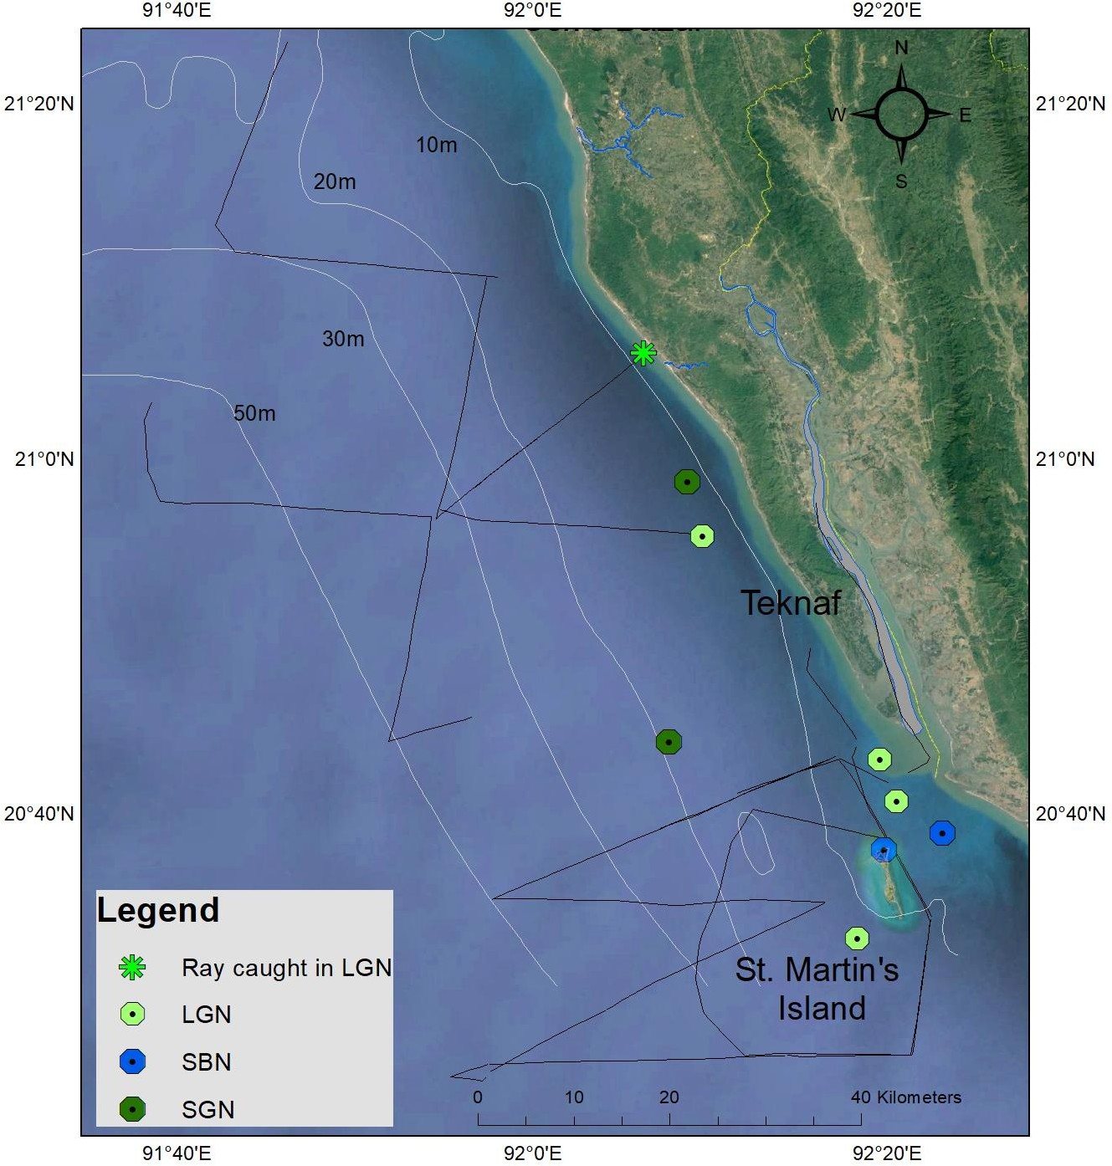
Figure 15. Map of fishing vessels according to type where fish catches were examined during a marine megafauna survey in the waters around Saint Martin’s Island.

Table 10
Table 8. List of fish species reported caught by fishermen during interviews in the area around Saint Martin’s Island using large mesh gill nets (LGN), medium mesh gill nets (MGN) and small mesh gill nets (SGN).
Common Name | Scientific Name | LGN | MGN | SGN
Thread fin scades | Alectis indica | 1 | 0 | 0
Bullet tuna | Auxis rochei | 1 | 1 | 0
Splendid ponyfish | Eubleekeria splendens | 1 | 0 | 1
Kawakawa | Euthynnus affinis | 0 | 1 | 0
Golden trevally | Gnathanodon speciosus | 1 | 0 | 0
Bombay duck | Harpadon nehereus | 0 | 0 | 1
Karut croaker | Johnius carutta | 1 | 0 | 0
Sin croaker | Johnius dussumieri | 2 | 0 | 2
Asian seabass | Lates calcarifer | 2 | 1 | 0
Indian threadfin | Leptomelanosoma indicum | 0 | 0 | 1
Ribbon fish | Leptunacanthus savala | 1 | 0 | 1
Tripletail | Lobotes surinamensis | 0 | 0 | 1
Mangrove red snapper | Lutjanus argentimaculatus | 2 | 0 | 0
Red snapper | Lutjanus sp. | 1 | 2 | 0
Torpedo scad | Megalaspis cordyla | 0 | 0 | 1
Silver pomfret | Pampus argenteus | 0 | 0 | 1
Chinese pomfret | Pampus chinensis | 7 | 3 | 0
Black pomfret | Parastromateus niger | 2 | 2 | 0
Black spotted croaker | Protonibea diacanthus | 0 | 1 | 0
Indian mackeral | Rastrelliger kanagurta | 3 | 0 | 0
Fingescale sardinella | Sardinella fimbriata | 1 | 1 | 1
Greater lizardfish | Saurida tumbil | 0 | 0 | 1
Talang Queenfish | Scomberoides commersonnianus | 1 | 0 | 0
Hairfin anchovy | Setipinna sp. | 0 | 0 | 1
Scaly hairfin anchovy | setipinna taty | 1 | 0 | 0
Gangetic sillago | Sillaginopsis panijus | 0 | 0 | 1
Spottail needlefish | Strongylura strongylura | 0 | 0 | 1
Hilsa shad | Tenualosa ilisha | 1 | 0 | 0
Bigeye tuna | Thunnus obesus | 1 | 0 | 0
Records for all species |  | 30 | 12 | 14
Figure 16. EN hammerhead sharks and NT tiger sharks were reported caught in the waters around Saint Martin’s Island. RECOMMENDATION FOR A NEW MARINE PROTECTED AREA AROUND SAINT MARTIN’S ISLAND General Description Multiple use MPAs can be an effective approach to protect marine biodiversity and sustain productive fisheries for local communities and a Blue Economy. The effectiveness of MPAs in achieving these goals is optimized when their location, size and configuration are based on knowledge about the distribution of threatened species and focused on protecting a variety of different taxa groups (e.g. mammals, reptiles, elasmobranches, finfish, corals, crustaceans, etc.) and habitat types (e.g. intertidal mudflats, rocky and coral reefs, turbid river mouth, open estuarine, high water depth and salinity, etc.). In 2005, International Union for Conservation (IUCN) with support of BOBLIME and FAO, published a National Framework for Establishing and Managing Marine Protected Areas in Bangladesh. About 285 km3 surrounding St. Martin’s Island were proposed for an ecosystem boundary covering the distribution of corals and other vulnerable species as well as the geophysical properties of intertidal and nearshore marine habitat. A coastal survey along the entire coast of Bangladesh in December 2017 and January 2018 confirmed the importance of the waters around Saint Martin’s Island for supporting marine megafauna at risk of extinction. The survey also documented threats to the survival of these iconic species from targeted and accidental catch.
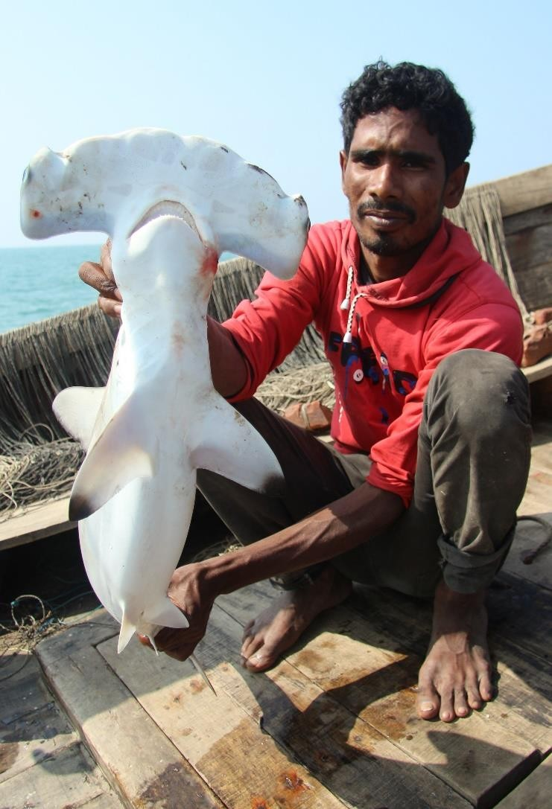
 |  | 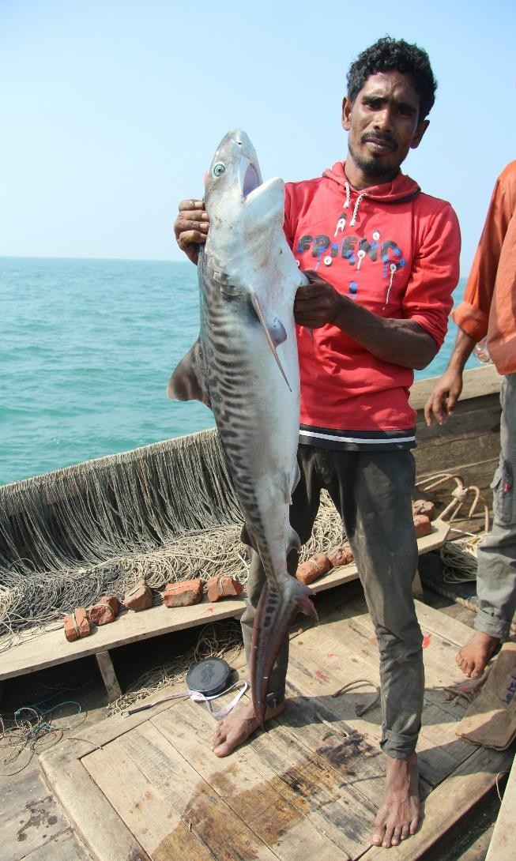
The proposed new MPAs for St. Martin’s enlarges the proposed MPA boundaries in to include priority habitat for marine megafauna at risk of extinction and fisheries vital to coastal communities in Bangladesh. A larger MPA covering a total of 1,743 km2 or 1.5% of Bangladesh’s EEZ (Table 9) would provide protection for at least 18 additional threatened or near threatened marine megafauna including two cetacean, four sharks, three rays, three marine turtles, two finfish and five seabirds with another 26 globally threatened marine megafauna species that are probably present in the area based of their known distribution and habitat preferences but have not yet been recorded (Figure 17, Appendix 1). The proposed St. Martin’s MPA includes a wide diversity of habitat types: (1) Mangrove channels and lagoons (2) Sandy beach and mudflats (3) Sub-tidal coral aggregations, sea grass and algal beds. (4) Shallow channel with strong currents (5) High salinity cool deep waters Table 9. Summary information on the proposed Saint Martin’s Island MPA

Table 12
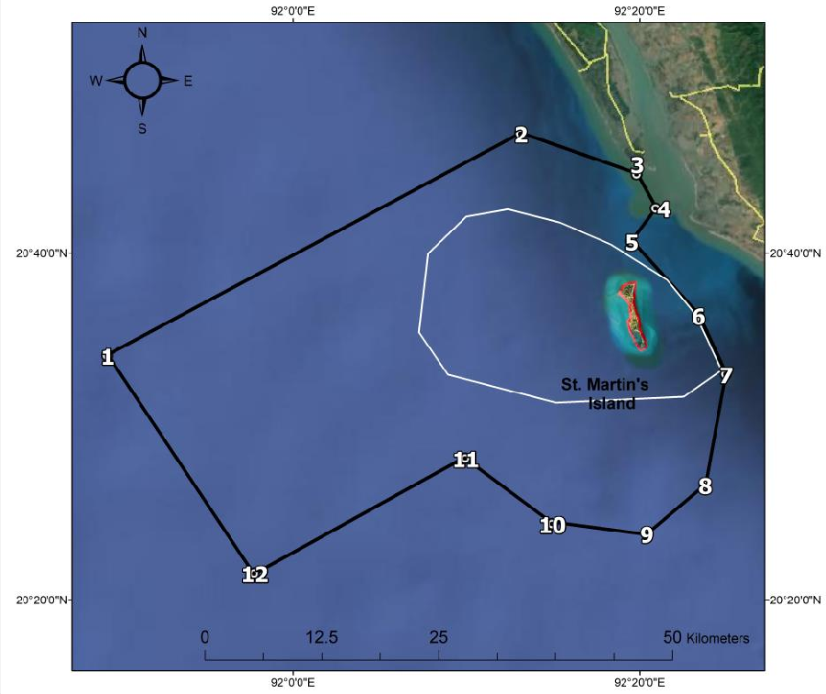
Corner Point 1 at the far northwest point of the MPA and heads northeast for 48 kilometers until it reaches Corner Point 2 at the farthest north point of the MPA and 7 km west from mainland coast heading 13 km southeast towards the Shah Pari Dwip passing Corner point 3 at 2 km southwest from the edge of the mainland to reach Corner point 4 in the middle of the Naf River mouth on the Bangladesh side of the border where the boundary runs about 4.5 km southwest to reach Corner point 5 where the border of the MPA follow the Bangladesh-Myanmar border for about 58 km in a rough half circle passing Corner Points 6-10 to Corner Point 11 where the MPA border runs for about 24.5 km southwest, again following the Bangladesh border to Corner Point 12 where the boundary turns to the northwest ring for about 27.5 km until it reaches Corner Point 1.
Figure 18. Map of the Saint Martin’s MPA showing the proposed buffer boundaries (black outline) and numbered locations of the corner points that correspond to the numbers in Table 10 below.
Location Corner | Latitude | Longitude

Table 14
Figure 19. Map of the Saint Martin’s MPA showing the proposed core boundaries (white outline) and numbered locations of the corner points (red dots) that correspond to the numbers in Table 10 below. The core area is exclusive of the Saint Martin’s Island ECA shown in red outline covering 6.81 sq km of land.
Location Corner Point | Latitude | Longitude
1 | 20°35’25” | 92°07’16”
2 | 20°39’58” | 92°07’48”
3 | 20°42’06” | 92°10’00”
4 | 20°42’31” | 92°12’23”
5 | 20°41’45” | 92°15’23”
6 | 20°40’29” | 92°28’20”
7 | 20°38’26” | 92°21’34”
8 | 20°36’28” | 92°23’12”
9 | 20°33’14” | 92°24’42”
10 | 20°31’41” | 92°22’32”
11 | 20°31’21” | 92°15’09”
12 | 20°32’59” | 92°08’56”
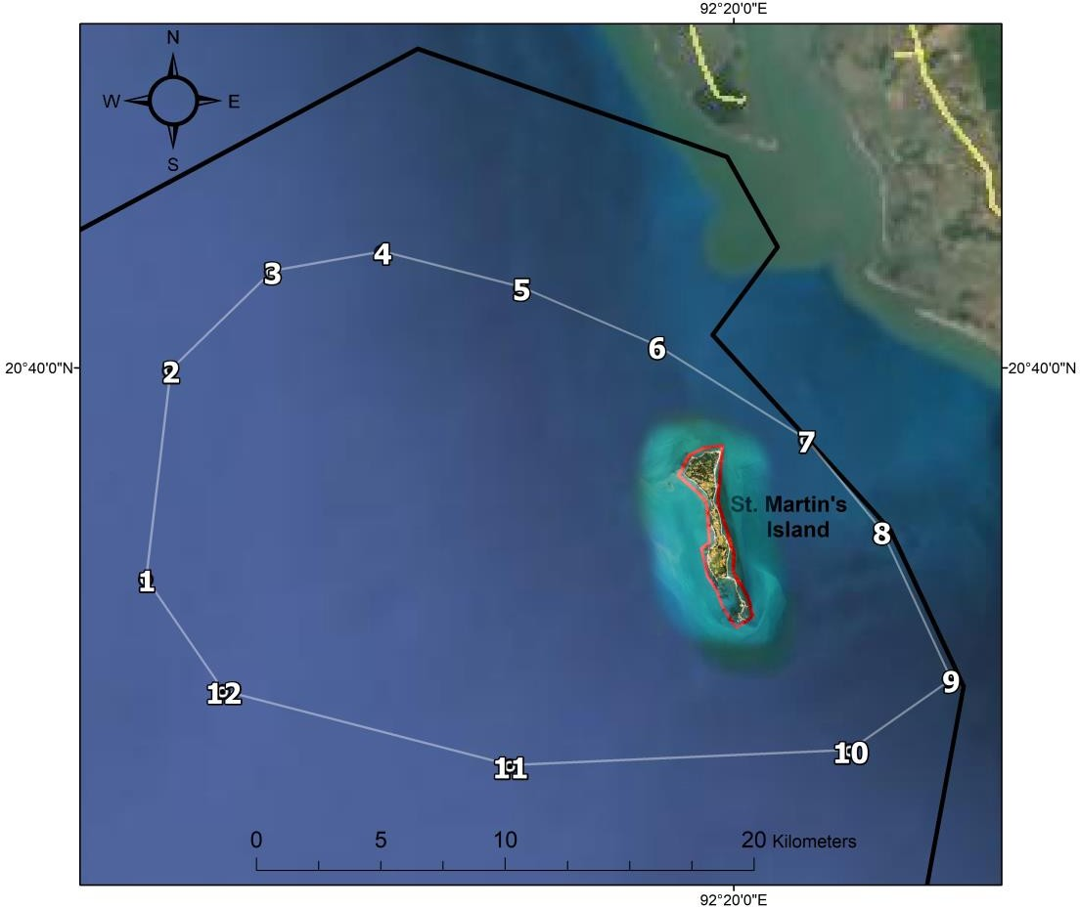
Table 11. Location and boundaries of the proposed Saint Martin’s Island MPA core area according to corner points and their number reference in the MPA map (Figure 19) and latitude and longitude.

REFERENCES
Bangladesh Bureau of Statistics, National Report, 2014 BOBLME (2015a) Report on St. Martin’s Island Ecosystem Boundary, Bangladesh. BOBLME-2015-Ecology-49 BOBLME (2015b) Survey of St. Martin’s Island: Summary report of resource and socio-economic information. BOBLME-2015-Socioec-15 Haider. T. (2008) ‘Saving the Coral Biodiversity of St. Martin’s Island’, Ground Report http://www.groundreport.com/World/Saving-the-coral-biodiversity-of-St-Martins-island 29 March 2009. Haque. A. B, Hasan, M.E., NAser, N., Habib, K.A., Uddin, M.K. 2015. Report on Saint Martin’s Island ecosystem boundary Final report Prepared under Strengthening national capacity on managing Marine Protected Areas (MPA) in Bangladesh A project of IUCN, Bangladesh in collaboration with Save our Sea and supported by the Bay of Bengal Large Marine Ecosystem (BOBLME) Project (Second part of the BOBLME- IUCN collaboration in developing the framework for establishing MPA in Bangladesh) Hasan, M. M. (2009) Tourism and Conservation of Biodiversity: A Case Study of St. Martins Island, Bangladesh, (1) Law, Social Justice & Global Development Journal (LGD). Hossain, M.M. Islam, M.H. (2006) Status of the Biodiversity of St. Martin’s Island, Bay of Bengal, Banglades’, Pakistan Journal of Marine Sciences, Vol. 15(2), 201-210 Islam. M. Z. (2002a) ‘Marine Turtle Nesting at St. Martin’s Island’, Marine Turtles Newsletter 96, pp. 19-21 Islam. M. Z. (2002b) ‘Threats to Sea Turtles in St. Martins Island, Bangladesh’, Kachhapa 6, pp 8-11. Smith, B.D., Ahmed, B., Mowgli, R.M. and Strindberg, S., 2008. 45 Species occurrence and distributional ecology of nearshore cetaceans in the Bay of Bengal, Bangladesh, with abundance estimates for Irrawaddy dolphins Orcaella brevirostris and finless porpoises Neophocaena phocaenoides. J. Cetacean Res. Manage, 10(1), pp.45-58.

